Insertion sort
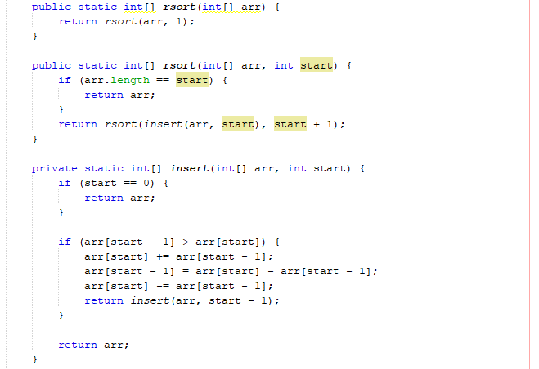
Complexity plot
Insertion sort algorithm
n (array.length) | Time (ms) | It seems O(n^2) and theorically it is
1553 | 0
2440 | 15
3071 | 16
3952 | 16
4511 | 47
4580 | 31
5324 | 47
6111 | 62
6230 | 63
6592 | 62
6929 | 78
7435 | 94
7858 | 109
8783 | 125
9650 | 156
10194 | 172
10315 | 188
10521 | 172
10631 | 187
11439 | 219
12052 | 250
12885 | 281
13763 | 312
14720 | 360
15369 | 406
15814 | 422
15950 | 437
16912 | 484
17182 | 516
17321 | 500

(code)

Merge sort
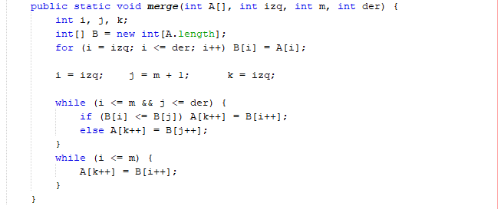
Complexity plot
528083 | 17
904682 | 10
1854298 | 11
2030452 | 8
2171803 | 19
2682016 | 18
3045521 | 14
3114132 | 10
3472305 | 26
3504502 | 26
4350722 | 13
4611501 | 13
4827052 | 20
4936269 | 27
5039976 | 13
5238214 | 15
5873203 | 23
6488802 | 19
6865162 | 22
7101490 | 38
7110828 | 43
7372564 | 68
8197474 | 34
8907458 | 33
9406066 | 30
10017531 | 36
10039888 | 44
10665475 | 36
10668845 | 49
11566950 | 64
12465367 | 36
12772265 | 34
13532641 | 35
13559055 | 40
13683616 | 35
13878910 | 36
14041124 | 39
14697590 | 62
15548134 | 78
15952084 | 106
16793420 | 50
17598959 | 46
18506429 | 68
19062702 | 55
19341172 | 48
20316518 | 62
20394256 | 63
21295055 | 66
21491518 | 76
21906039 | 59
...
Merge sort algorithm
n (array.length) | Time (ms) | It seems a processor error, but theorically it is O(n*log n)
528083 | 17
904682 | 10
1854298 | 11
2030452 | 8
2171803 | 19
2682016 | 18
3045521 | 14
3114132 | 10
3472305 | 26
3504502 | 26
4350722 | 13
4611501 | 13
4827052 | 20
4936269 | 27
5039976 | 13
5238214 | 15
5873203 | 23
6488802 | 19
6865162 | 22
7101490 | 38
7110828 | 43
7372564 | 68
8197474 | 34
8907458 | 33
9406066 | 30
10017531 | 36
10039888 | 44
10665475 | 36
10668845 | 49
11566950 | 64
12465367 | 36
12772265 | 34
13532641 | 35
13559055 | 40
13683616 | 35
13878910 | 36
14041124 | 39
14697590 | 62
15548134 | 78
15952084 | 106
16793420 | 50
17598959 | 46
18506429 | 68
19062702 | 55
19341172 | 48
20316518 | 62
20394256 | 63
21295055 | 66
21491518 | 76
21906039 | 59
22704912 | 73
23392852 | 166
24175626 | 93
24935653 | 75
25651693 | 169
25970077 | 71
26317432 | 77
27283658 | 160
28110843 | 92
28939433 | 123
29306781 | 125
29433386 | 87
30008462 | 88
30874230 | 91
31870275 | 86
32390990 | 164
32523111 | 91
32945991 | 104
32966723 | 101
33944390 | 104
34241095 | 207
34494701 | 125
35437277 | 161
35874829 | 126
36748695 | 165
36816599 | 130
37137972 | 226
37551437 | 130
37699941 | 203
38020620 | 141
38799637 | 226
39708964 | 122
39784871 | 219
40434144 | 170
40521866 | 243
40754379 | 126
40866608 | 211
41656480 | 152
42239029 | 257
42294335 | 172
42481004 | 205
42589606 | 173
43322091 | 330
43347601 | 135
43525022 | 123
44245041 | 157
44325347 | 130
44529439 | 122
44924561 | 214
45458374 | 139

(code)

